Standardized Labels & Item #s
FREE STANDARDIZED LABEL DONATION REQUEST FORM
www.RecycleAcrossAmerica.org eileen@recycleacrossamerica.org
F) 952.241.0571 O) 855.424.6522 C)661.373.3914
Once you have completed the form please email it directly to eileen@recycleacrossamerica.org with the subject "[Your School Name] Donation Request Form"
Please complete this form starting with the following questions: We request that delivery of standardized labels goes directly to location where School Champion is present (e.g. place of work, home, school, etc.).
School or School District: City and State: Contact name: Telephone #: Email address: Number of schools in your district if applicable: Ship to address (including zip code):
Please note: You may choose from an inventory of 5.5" x 8.5" bilingual (English/Spanish) labels and 4"x9" English only labels
You may order 100 labels per school in any combination of the following: *5.5" x 8.5" images pictured below
Label Image* | Standardized Label Description | Quantity Requested (5.5" x 8.5" bilingual (English/Spanish): | Quantity Requested(4"x9" English only):
 | Mixed Recycling (paper, cans, plastic, glass)
 | Paper/Cans/Plastic
 | Glass/Cans/Plastics
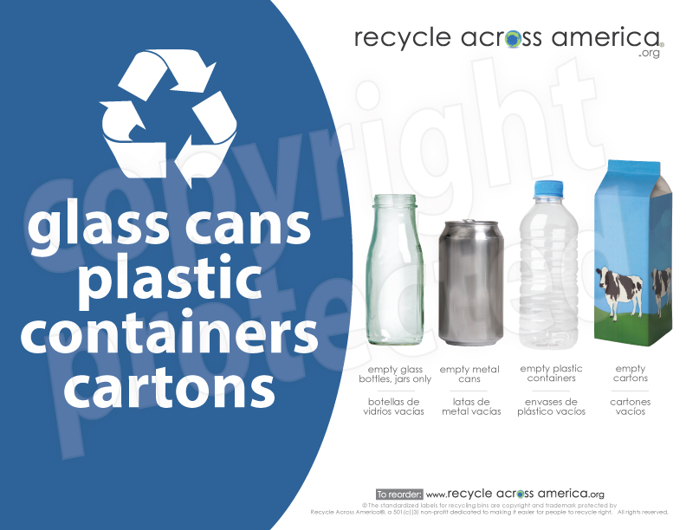 | Glass/Cans/Plastics/Cartons
 | Cans and Plastic bottles
 | Paper
 | Cardboard
 | Plastics with Numbers
 | Plastic Bottles and Jugs Only
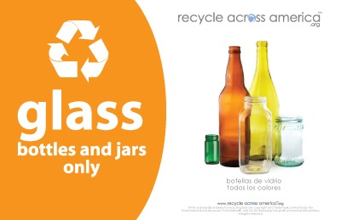 | Glass Containers
 | Cans - Aluminimum Only
 | Cans - Aluminum, Tin and Steel
 | Food Only
 | Compost Food and Food Soiled Paper
 | Compostables Food, Soiled Paper, Compostable Dishware
 | Trash
 | Landfill
 |  | Quantity Requested (8.5"x11" only): | Quantity Requested (3.5x5" only):
 | E-Cycle |  | NA
 | Refundable beverage containers |  | NA
 | Plastic Bags |  | NA
 | CFL's & Flourescent |  | NA
 | Waste to Energy |  | NA
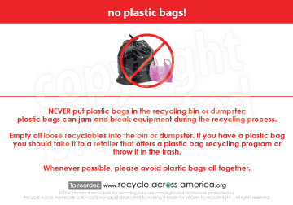 | No Plastic Bags
Total: |  | 0 | 0

